Input
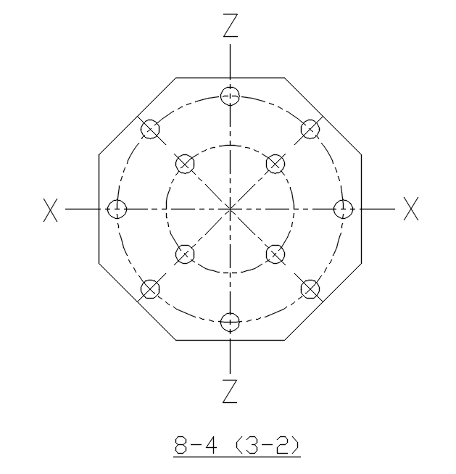
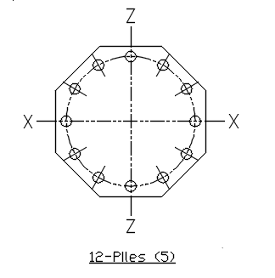
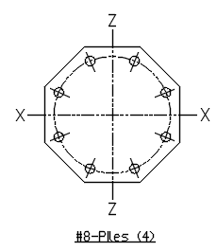
Project Number : |  | KXEO - 00045 / 66-6705-700 |  |  |  |  | Input Date : | 06/04/2018
Construction Unit : |  |  |  |  |  |  | Equipment No./ Civil Item No.:
Prep By/Checked By : |  |  |  |  |  |  | Revision Status :
Title : DESIGN OF RAFT FOUNDATION AS PER BS EN1992-1-1:2010
 |  |  |  |  |  |  |  |  | SHEET -1
A | DEFAULT VALUES |  | (As per PDE-CVC-G00-EB-0002)
A.1 | Exposure class for No risk |  |  |  |  | X0 | For concrete without reinforcement or embedded metal, all exposures
 | Exposure class Carbonation-induced corrosion |  |  |  |  | XC4 | Cyclic wet and dry
 | Exposure class for Chloride-induced corrosion |  |  |  |  | XD1 | Moderate humidity
 | Exposure class for Chloride-induced corrosion from sea-watert |  |  |  |  | XS1 | Exposed to airborne salt but not in direct contact with sea water
 | Exposure class for Freeze/Thaw Attack |  |  |  |  | XF1 | Moderate water saturation, without de-icing agent
 | Exposure class for Chemical Attack |  |  |  |  | XA1 | Slightly aggressive chemical environment according to EN 206-1, Table 2
 | (Table 4.1, EN1992-1-1:2010 )
 | Service Life |  |  |  |  | 100 | years
 | Structural class for pilecap design |  |  |  |  | S4
 | ( Assuming Air entrainment < 4 % , Good Quanility control at site ,Nominal size of Aggregates <32mm)
 | Maximum permissible crack width |  |  |  |  | 0.3 | mm | (Table 7.1N ,BS EN1992-1-1:2010)

A.2 | Grade of structural concrete |  |  |  |  | C30/37 |  |  | AS per PDE-CVC-G00-EB-0002

 | fck = Characteristics compressive cylindrical strength |  |  |  |  | 30 | N/mm2 | (Table 3.1,EN1992-1-1:2010)
 | fctm = |  |  |  |  | 2.9 | N/mm2
 | Grade of lean concrete |  |  |  | = | C12/15
 | Reinforcment ,Yield Strength , fyk |  |  |  | = | 500 | N/mm2
 |  |  |  |  | = | 434.8 | N/mm2
 | (Table C.1 BS EN1992-1-1:2010 Annex C)
 | Unit wt. of Concrete (wc) |  |  |  | = | 25 | kN/m3
 | Thickness of lean concrete (tl) |  |  |  | = | 50 mm
 | Soil depth to be ignored as overburden (dts) |  |  |  | = | 0 mm

 | Concrete clear cover to main reinf. (Top & Side) in pilecap(Ct) |  |  |  | = | 35 mm |  | (cl. 4.4.1,BS EN1992-1-1:2010)

 | Y = Pile anchorage into pile cap |  |  |  | = | 50 mm |  |  | PDE-CVC-G00-ED-0001

 | Clear cover to main reinf. (Bottom) in pile cap (Cb) |  |  |  |  | 50 mm |  | (cl. 4.4.1, EN1992-1-1:2010) |  | OK
 | (Bottom Nominal cover Cb = pile anchorage (Y) in to pile cap + No clearance assumed)

A.4 | fcm = fck + 8 |  |  |  | = | 38 | N/mm2 | (Table 3.1,EN1992-1-1:2010)
 | Modulus of Elasticity for concrete, Ecm = 22*[fcm /10]0.3 |  |  |  | = | 3.28E+01 | N/mm2
 | Modulus of Elasticity for Reinforcement, Es |  |  |  | = | 2.00E+05 | N/mm2 | (cl. 3.2.7 (4),EN1992-1-1:2010)
A.5 | Partial factor for materials for ultimate limit states
 | For concrete |  |  | gc | = | 1.5 | (cl. 2.4.2.4 EN1992-1-1:2010 and National Annex)
 | For reinforcement steel |  |  | gs | = | 1.15

B | PLATE RESULTS
 | MAX Mx = |  |  |  |  | 2199.71 | kN-m/m | FROM StaadPro Analysis
 | MIN Mx = |  |  |  |  | -1030.13 | kN-m/m
 | MAX My = |  |  |  |  | 2518.25 | kN-m/m
 | MIN My = |  |  |  |  | -2414.62 | kN-m/m

C | ANCHOR BOLT DETAILS

 | Type of anchor bolts(As per Engineering spec. or design basis) |  |  |  | = | A
 | Diameter (Db) |  |  |  | = | M100
 | No. of bolts (Nb) |  |  |  | = | 36
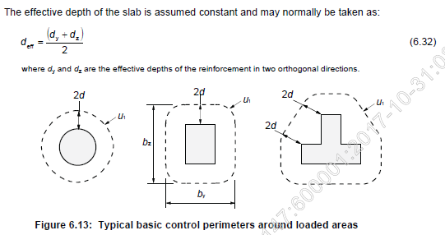
 | Embedment length in concrete |  |  |  | = | 970 | mm | PDE-CVC-G00-EC-0004
 | Thickness of grout (tg) |  |  |  | = | 30 | mm
 | Yield stress of Bolts, Fyb |  |  |  | = | 240 | N/mm2

 | Height of Equipment |  |  |  |  | 20 | m

D | RAFT DETAILS |  | ( Top of raft is considred at Ground Level )
 | Top Of Grout (TOG) Elevation EL |  |  | EL | = | 100.200 | m
 | Ground level to be considered for Excavation EL |  |  | EL | = | 100.000 | m
 | D = Depth of raft (from TOG to Bottom of raft) |  |  |  | = | 2170 | mm
 | Effective depth "d" = (dy+dz)/2 |  |  |  | = | 2100 | mm
 | Under Side of raft |  |  | EL | = | 98.000 | m
 | Length of Raft "L" |  |  |  | = | 20.500 | m
 | Width of Raft "B" |  |  |  | = | 12.000 | m

E | PILE DETAILS
 | Area as per soil report |  |  |  |  | IV
 | Pile Spacing = |  |  |  |  | 4d
 | Diameter of Pile Dp = |  |  |  |  | 500 | mm
 | Length of Pile Lp = |  |  |  |  | 19.1 | m
 | Type of Pile based on Connectors = |  |  |  |  | Type II
 | Design Compression Capacity of pile = |  |  |  |  | 1950 | kN
 | Design Tension Capacity of pile = |  |  |  |  | 374.36 | kN

 | No of Piles provide = |  |  |  |  | 75

$$δsz=\frac{1}{1−\frac{P_{up}}{N_{b}}}$$

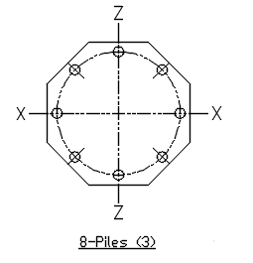
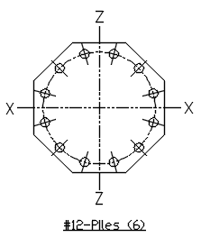
$$Nb= \frac{π2E_{cm}Iz}{\left(klu\right)2}$$

Flexure
Master File Name : |  |  |  |  |  |  | Input Date :
Project Number : |  |  |  |  |  |  | Proj. Related settings by LE on :
Project Std. File Name : |  |  |  |  |  |  | Unit / Equipment No.:
Prep By/Checked By : |  |  |  |  |  |  | Revision Status :
NOTE: USER TO ENTER DATA IN CELLS WITH PALE BLUE BACKGROUND AND LE TO
CONFIRM VALUES IN CELLS WITH YELLOW BACKGROUND.

Derivation to find dreq :
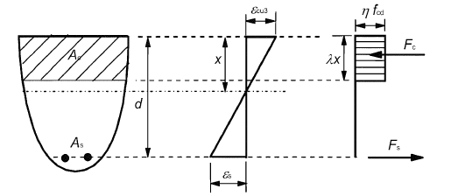

 | Fig. 3.5 Rectangular Stress distribution (Cl. 3.1.7, EN 1992-1-1)

Assuming fck ≤ 50 Mpa

 | η = 1 for fck ≤ 50 |  |  |  | λ = 0.8 for fck ≤ 50

The x/d ratio can be written in terms of the steel strain as illustrated in Figure.
$$\frac{x}{d}=\frac{ϵcu3}{ϵcu3+ϵs}$$

$$ε_{cu3}=0.0035$$

$$ε_{s}=0.002+\frac{f_{yk}}{(ϒ_{s}∗E_{s})}$$

Lever Arm distance |  | z
$$\text{z}\text{ = }\text{d}\text{−}\frac{λx}{2}$$

Bending of the section (according to Figure 3.5) will induce a resultant tensile force, Fs in the reinforcing steel, and a resultant compressive force in the concrete Fc which acts through the centroid of the effective compressed area .

For equilibrium, the ULS design moment MEd has to be balanced by the resisting moment MRd so that:
$$M_{Ed}=F_{c}z=F_{s}z$$

$$F_{c}=f_{cd}bx$$
Where, z is the lever arm between the resultant forces Fc & Fs.

$$M_{Ed}=f_{cd}bd^{2}\left(1−\frac{z}{d}\right)\frac{z}{d}∗2$$

or
$$\frac{M_{Ed}}{f_{cd}bd^{2}}=K$$

where
$$K=\left(1−\frac{z}{d}\right)\frac{z}{d}∗2$$

Rearranging,
$$\frac{z}{d}=0.5+\sqrt{0.25−0.5K}$$

 | or

$$\frac{z}{d}=0.5\left(1+\sqrt{1−2K}\right)$$

These equations are valid under the assumption that the reinforcing steel yields before the concrete crushes.

The corresponding compression force is
$$F_{c,bal}=f_{cd}bx=f_{cd}b∗0.8∗0.45d$$

whereas the inner lever arm is:
$$z_{bal}=d−\frac{\left(0.8∗0.45d\right)}{2}=0.82d$$

For Limiting Moment of Resistance

 | xbal/d = | 0.45

 | zbal/d = | 0.82
$$M_{bal}=f_{cd}bd^{2}\left(1−\frac{z_{bal}}{d}\right)\frac{z_{bal}}{d}∗2$$

$$K_{bal}=M_{bal}/f_{cd}bd^{2}$$

 | Kbal = | 0.295

Hence, the expression for depth required for balance section, dreq
$$d_{req}=\sqrt{\frac{M}{{K_{bal} f}_{cd}b}}$$

 | dreq = | 867.33 | mm | < | dprovided | OK

Check for under-reinforced section:

For under-reinforced section
$$K<K_{bal}$$

 | K = | 0.0285 |  | OK

Derivation to find Ast:

Referring to the figure above

Total Tensile Force, Fs
$$F_{s}=0.87f_{yk}A_{st}$$

Also, Moment is equal to Force multiplied by lever arm distance, z
$$M=0.87f_{yk}A_{st}∗z$$

Rearranging, we get
$$A_{st}=\frac{M}{0.87f_{yk} ∗z}$$

Minimum Reinforcement

Minimum reinforcement in each direction = |  |  |  | 0.0015bt |  | 1575.00 | mm2 | 9.2.1.1 of EN1992

TOP REINFORCEMENT (BOTTOM)
Reinforcement in X direction (Mx +ve)
Ast required |  |  |  |  |  | 2444.55 | mm2
Dia of bar in X direction |  |  |  |  |  | 20 | mm
Spacing provided in X direction |  |  |  |  |  | 100 | mm
Ast provided in X direction |  |  |  |  |  | 3142.86 | mm2
 |  |  |  |  |  | OK

BOTTOM REINFORCEMENT (TOP)
Reinforcement in X direction (Mx -ve)
Ast required |  |  |  |  |  | 1144.79 | mm2
Dia of bar in X direction |  |  |  |  |  | 20 | mm
Spacing provided in X direction |  |  |  |  |  | 100 | mm
Ast provided in X direction |  |  |  |  |  | 3142.86 | mm2
 |  |  |  |  |  | OK
TOP REINFORCEMENT (BOTTOM)
Reinforcement in Y direction (My +ve)
Ast required |  |  |  |  |  | 2798.54 | mm2
Dia of bar in Y direction |  |  |  |  |  | 20 | mm
Spacing provided in Y direction |  |  |  |  |  | 100 | mm
Ast provided in Y direction |  |  |  |  |  | 3142.86 | mm2
 |  |  |  |  |  | OK
BOTTOM REINFORCEMENT (TOP)
Reinforcement in Y direction (My -ve)
Ast required |  |  |  |  |  | 2683.38 | mm2
Dia of bar in X direction |  |  |  |  |  | 20 | mm
Spacing provided in X direction |  |  |  |  |  | 100 | mm
Ast provided in X direction |  |  |  |  |  | 3142.86 | mm2
 |  |  |  |  |  | OK

Punching Shear
 |  |  |  | For Piles
Check for Punching shear resistance of column bases without shear reinforcement

As per clause 6.4.4 (2) EN 1992-1-1 ed 11
The punching shear resistance should be verified at control perimeters within 2d
from the periphery of the column, so we have considered critical section at d from face of pile

where
fck | = | 30 | Mpa |  | Pile dia. | = | 500 | mm
Average effective depth,
deff | = | 2100 | mm
a | = | d | mm (max 2d) |  | a is the distance from the periphery of the column
 | = | 2100 | mm |  | to the control perimeter considered
 |  |  |  |  | Refer CL. 6.4.4 (2) EN 1992-1-1 ed 11

k | = | 1.309 | ≤ 2

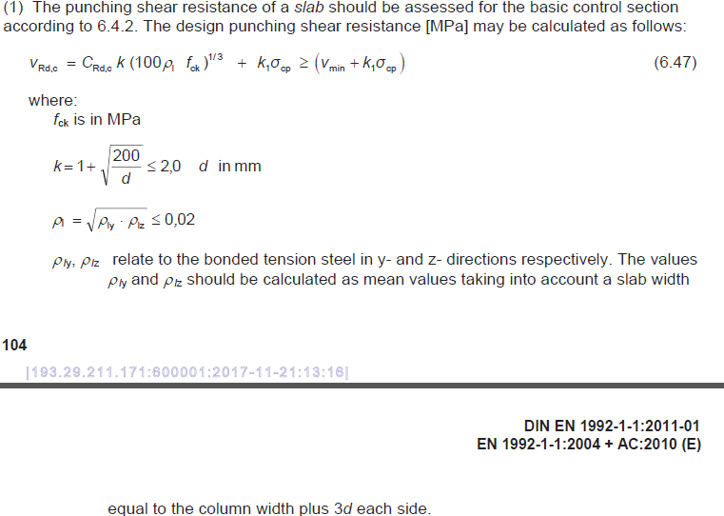
CRd,c | = | 0.18/γc |  |  | γc | = | 1.5 | (refer Table 2.1N, EN 1992-1-1)
CRd,c | = | 0.12 |  |  | Refer Cl. 6.4.4(1) note (EN 1992 1-1)

vmin | = | 0.035 k3/2 fck1/2 |  |  | Refer EQ. 6.3N (EN 1992 1-1)
vmin | = | 0.287

bw | is the smallest width of the c/s in the tensile area (mm)
bw | = | 1000 | mm

ᵨlx | = | 0.0014965986395
ᵨlz | = | 0.0014965986395
ᵨl = sqrt(ᵨlx * ᵨlz) = |  | 0.0015 | ≤ 0.02

vRd | = | 0.518 | N/mm2
vRd, min | = | 0.574 | N/mm2
vRd, max | = | 0.4 v fcd |  |  | Refer Note of Clause 6.4.5(3) (EN 1992 1-1)
Strength reduction factor for concrete cracked in shear

 |  |  |  |  | Refer EQ. 6.6N (EN 1992 1-1)

v | = | 0.528
αcc | = | 0.85
fcd | = | αcc fck / γc | = | 17 | Refer EQ. 3.15 (EN 1992 1-1)
vRd, max | = | 3.59 | N/mm2

Actual shear stress Ved = |  |  | 0.387 | N/mm2

 | Ok, safe in Shear

For concentric loading the net applied force is
VEd,red | = | VEd - ∆ VEd
where
VEd | = | 1950 | kN |  | VEd is the applied shear force (max. pile reaction, vertical)
base area | = | 17351695 | mm2 |  | Unit wt. of concrete |  | 25 | KN/m3
within critical sec.
∆ VEd | = | 910.96 | kN |  | is the net upward force within the control perimeter considered
 |  |  |  |  | i.e upward pressure from soil minus self weight of base
Checking at pile perimeter
u0 | = | 1571.0 | mm |  | Perimeter of pile
vEd | = | VEd / u0 d
vEd | = | 0.591 | N/mm2 | < | 3.59 | N/mm2 | Ok, safe at pile perimeter
 |  |  |  |  | VRd,max
Checking at distance d from face of pile
u | = | 14767.4 | mm2 |  | u is the perimeter of the critical section considered
vEd | = | VEd,red / ud
vEd | = | 0.034 | N/mm2 | < | 0.57 | N/mm2 | Ok, no shear reinf. req.
 |  |  |  |  | (max of VRd and VRd,min)

Crack Width
Crack width calculation

 | Allowable crack width, wk1 |  |  |  | = |  | 0.3 | mm
 | As per clause 7.3.4


 | fck |  |  |  |  | = | 30 | N/mm2
 | fctm |  |  |  |  | = | 2.9 | N/mm2
 | c= cover to reinforcement |  |  |  |  | = | 50 | mm
 | K1 (for high bond bar) |  |  |  |  | = | 0.8
 | K2 (for bending) |  |  |  |  | = | 0.5
 | ᶲ = bar diameter |  |  |  |  | = | 20 | mm
 | k |  |  |  |  | = | 0.01108
 | Ac,eff = minimum of { 2.5 (h-d), (h-x)/3, h/2} x 1000 |  |  |  |  | = | 175000 | mm2
 |  | Depth of neutral axis, x = 2 (d-z) / λ
 |  | x | = | 23.38 | mm
 | here, h = D | h | = | 2170 | mm
 | ρρeff | As / Ac,eff | = | 0.01796

 | Recommended values of k3 = 3.4 & k4 = 0.425 (pg no 126, EN 1992-3:2006)

 | Sr,max | = 3.4 x50 + 0.8 x 0.5 x 0.425 x ( 20/0.01796) |  |  |  |  | = | 359.31



 | Reinforcement Location | MU | K | d | z | As | Bar Dia

 | Top X | 1465 | 0.011 | 2100 | 2,088.31 | 3142.9 | 20 |  | 1464.58
 | Top Y | 1449 | 0.011 | 2100 | 2,088.43 | 3142.9 | 20 |  | -317.05
 | Bottom X | 317 | 0.002 | 2100 | 2,097.48 | 3142.9 | 20 |  | 1449.43
 | Bottom Y | 1152 | 0.009 | 2100 | 2,090.81 | 3142.9 | 20 |  | -1152.46

 | Mu(max) | 1465

 | σs = Mu/ (As x z) |  |  |  | = | 223.15 | N/mm2

 | αe = (2 x 105) / (33 x 103) |  |  |  | = | 6.06
 | (Refer table 3.1, EN 1991-1:20010-12)

 | kt (for long term loading) |  |  |  | = | 0.4

 | fct,eff = fctm |  |  |  | = | 2.90 | N/mm2

 | ecr | = | εsm - εcm |  | = | 0.00076

 | Therefore, wk = Sr,max x ecr |  |  |  | = | 0.273 | mm
 |  |  |  |  |  | < | wk1 | Safe

